Diagram
 | Displacement at mid-span [mm]
0.00E+00 | 0.00E+00
1.00E-02 | -1.61E-01
2.00E-02 | -3.22E-01
3.00E-02 | -4.84E-01
4.00E-02 | -6.45E-01
5.00E-02 | -8.06E-01
6.00E-02 | -9.67E-01
7.00E-02 | -1.13E+00
8.00E-02 | -1.29E+00
9.00E-02 | -1.45E+00
1.00E-01 | -1.61E+00
1.10E-01 | -1.77E+00
1.20E-01 | -1.93E+00
1.30E-01 | -2.10E+00
1.40E-01 | -2.26E+00
1.50E-01 | -2.42E+00
1.60E-01 | -2.58E+00
1.70E-01 | -2.74E+00
1.80E-01 | -2.90E+00
1.90E-01 | -3.06E+00
2.00E-01 | -3.22E+00
2.10E-01 | -3.38E+00
2.20E-01 | -3.55E+00
2.30E-01 | -3.71E+00
2.40E-01 | -3.87E+00
2.50E-01 | -4.03E+00
2.60E-01 | -4.19E+00
2.70E-01 | -4.35E+00
2.80E-01 | -4.51E+00
2.90E-01 | -4.67E+00
3.00E-01 | -4.84E+00
3.10E-01 | -5.00E+00
3.20E-01 | -5.16E+00
3.30E-01 | -5.32E+00
3.40E-01 | -5.48E+00
3.50E-01 | -5.64E+00
3.60E-01 | -5.80E+00
3.70E-01 | -5.96E+00
3.80E-01 | -6.13E+00
3.90E-01 | -6.29E+00
4.00E-01 | -6.45E+00
4.10E-01 | -6.61E+00
4.20E-01 | -6.77E+00
4.30E-01 | -6.93E+00
4.40E-01 | -7.09E+00
4.50E-01 | -7.25E+00
4.60E-01 | -7.41E+00
4.70E-01 | -7.58E+00
4.80E-01 | -7.74E+00
4.90E-01 | -7.90E+00
...

Deflected shape
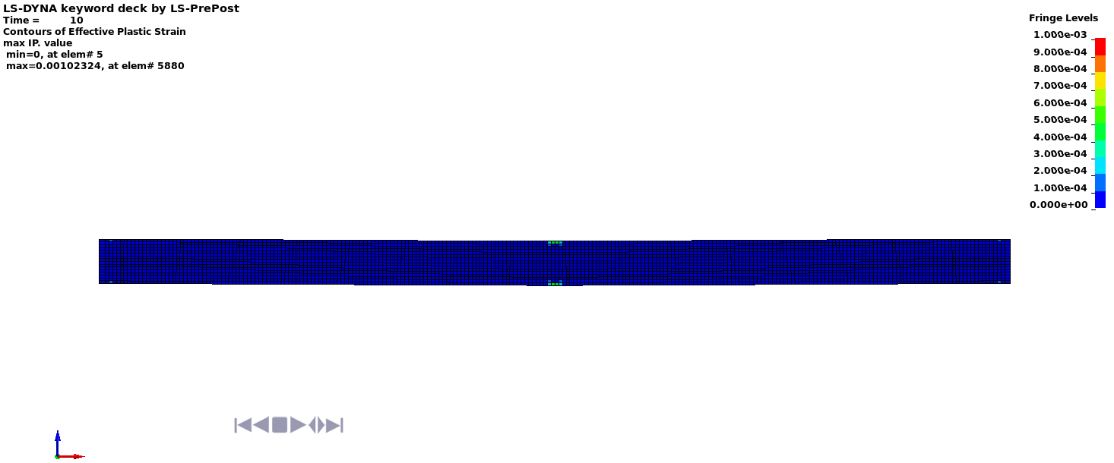

Deflected shape with visible contours of plasticity - side view

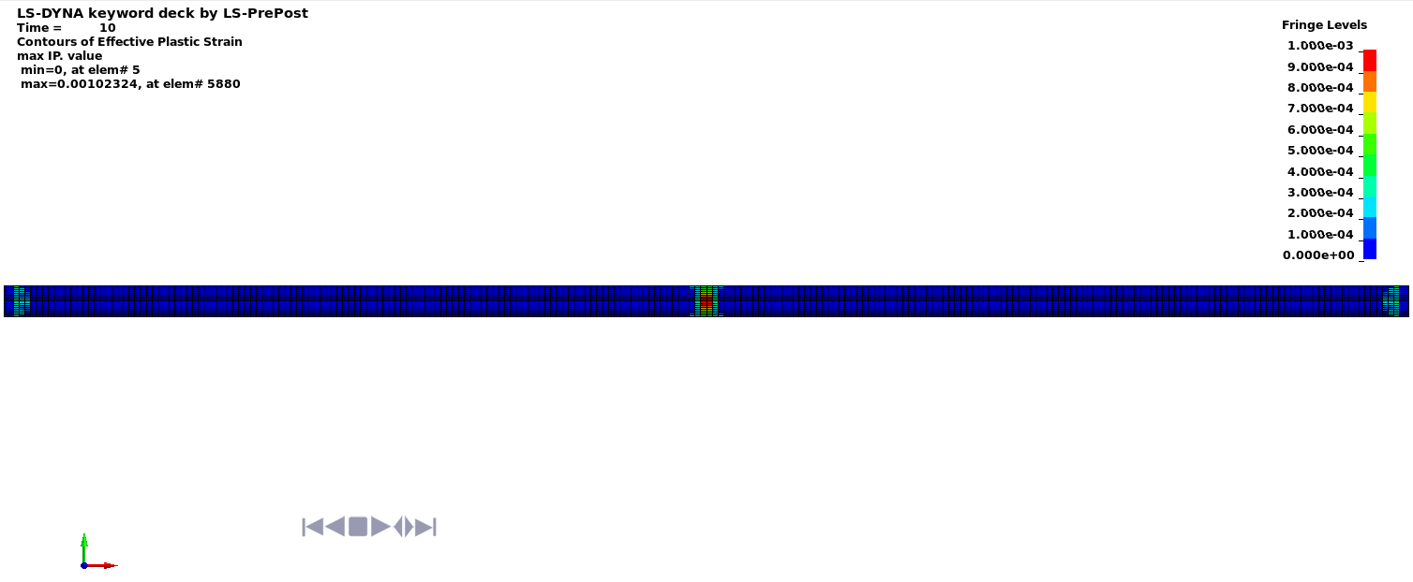

Deflected shape with visible contours of plasticity - top view

